Sheet1
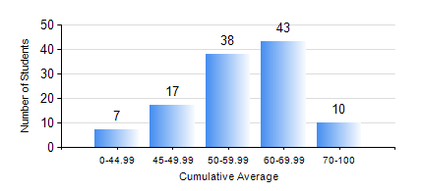
 |  |  | KWAME NKRUMAH UNIVERSITY OF SCIENCE AND TECHNOLOGY, KUMASI Department of Agricultural and Biosystems Engineering

 |  |  | BSC. AGRICULTURAL ENG.

 |  |  | COMPREHENSIVE RECORD OF EXAMINATION RESULTS

 |  |  | RESULTS OF YEAR 3 FIRST SEMESTER, 2024/2025 ACADEMIC YEAR

 | Sn | Course Code |  | Course Name | Credit Hours | Min. Mark | Max. Mark | Avg. Mark | Std. Dev. | No. Passed | No. Trailed | No. (Df) | No. (I) | No. (I*) | No. Tagged(I,I*,Df) | Total
 | 0. |  |  |  |  |  |  | 0 | 0 | 0 | 0 | 0 | 0 | 0 | 0 | 6
 | 1. | AE 351 |  | SOIL AND WATER ENGINEERING | 3 | 40 | 86 | 72 | 11.72 | 109 | 0 | 0 | 0 | 0 | 0 | 109
 | 2. | AE 353 |  | AGRICULTURAL MATERIALS HANDLING AND PROCESSING | 3 | 5 | 90 | 58 | 13.41 | 105 | 4 | 0 | 0 | 0 | 0 | 109
 | 3. | AE 373 |  | MACHINE DESIGN I | 3 | 14 | 76 | 51 | 11.85 | 101 | 8 | 0 | 0 | 0 | 0 | 109
 | 4. | AE 381 |  | COMPUTER APPLICATION FOR AGRICULTURAL ENGINEERS | 2 | 29 | 84 | 58 | 11.62 | 103 | 6 | 0 | 0 | 0 | 0 | 109
 | 5. | CENG 291 |  | ENGINEERING IN SOCIETY | 2 | 62 | 62 | 62 | 0 | 1 | 0 | 0 | 0 | 0 | 0 | 1
 | 6. | MATH 351 |  | NUMERICAL ANALYSIS | 2 | 17 | 91 | 55 | 14.22 | 99 | 10 | 0 | 0 | 0 | 0 | 109
 | 7. | ME 355 |  | STRENGTH OF MATERIALS II | 3 | 4 | 97 | 66 | 24.05 | 98 | 11 | 0 | 0 | 0 | 0 | 109
 | 8. | ME 365 |  | THERMODYNAMICS II | 3 | 33 | 92 | 61 | 11.41 | 107 | 2 | 0 | 0 | 0 | 0 | 109

